University Fringe
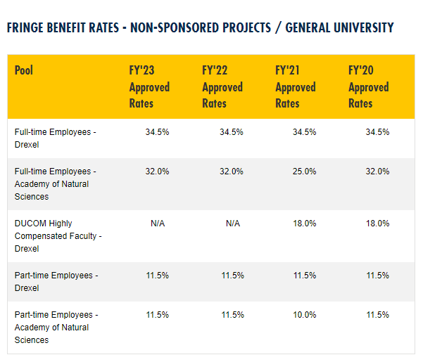

https://drexel.edu/comptroller/research-accounting/financial/fringe-benefit-rates/

